Basic Info
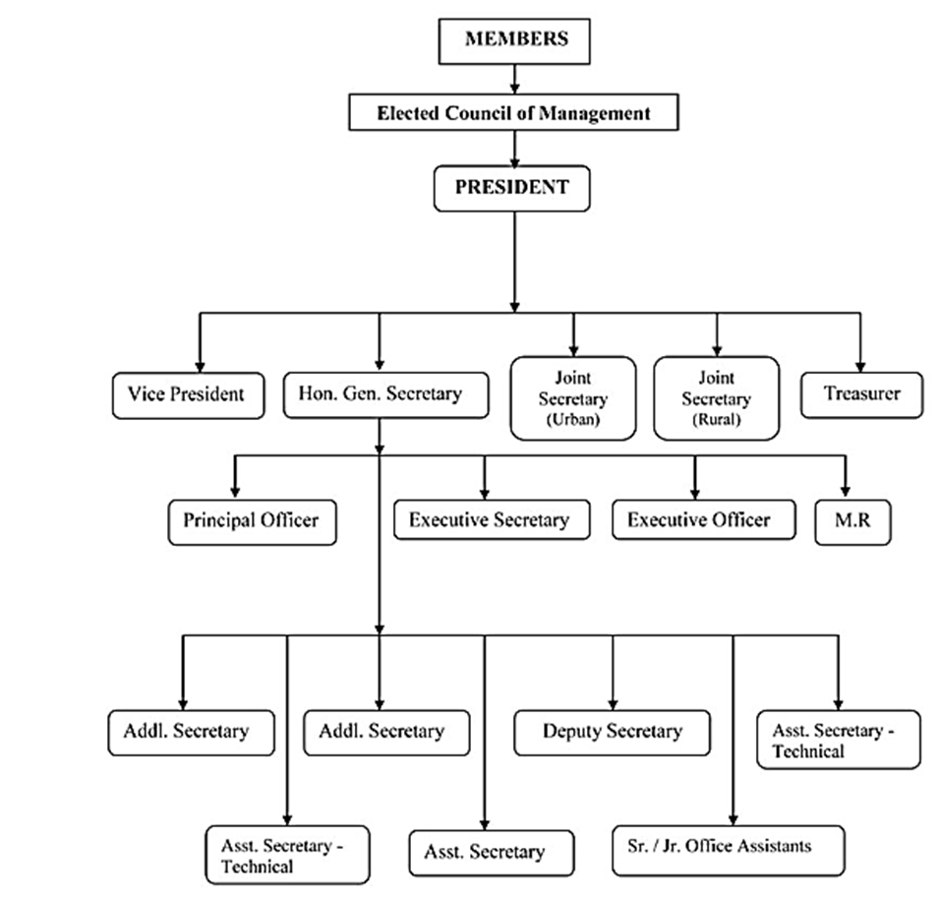
Parameter | Verified Information | URL
Association Name | Karnataka Small Scale Industries Association | https://kassia.org.in/about-us/
Abbreviation | KASSIA | https://kassia.org.in/about-us/
Type of Association (National / Industry Body) | Industry body / State-level trade association for small & micro industries | https://kassia.org.in/about-us/
Sector / Industry Represented | Small scale industries / MSMEs | https://kassia.org.in/about-us/
Year of Establishment | 1949 | https://kassia.org.in/about-us/
Legal Status (Not-for-Profit / NGO / Trade Association) | Non-government industry association (trade body) | https://kassia.org.in/about-us/
Headquarters Location | 2/106, 17th Cross, Magadi Chord Road, Vijayanagar, Bangalore – 560040, Karnataka, India | https://kassia.org.in/contact/
Regional Presence | Primarily Karnataka with state & national representation through committees | https://kassia.org.in/about-us/
Official Website | https://kassia.org.in/
Contact Details | Phone: (080) 2335 3250 / 2335 8698 | https://kassia.org.in/contact/
Address: | 2/106, 17th Cross, Magadi Chord Road, Vijayanagar, Bangalore – 560040 | https://kassia.org.in/contact/
Fax: | 23387279 / 23353250 | https://kassia.org.in/contact/

 | Structure of Organization

